Project Final
Ex. 19.1 Design a shell and tube exchanger for the following duty.
Design an exchanger to subcool condensate from a methanol condenser from 95 ºC to 40 ºC. The flow rate of methanol is 100,000 kg/h. Brackish water will be used as the coolant, with a temperature rise from 25 ºC to 40 ºC.

 | Hot Fluid |  | Cold Fluid
Name | MeOH Cond. |  | Brackish Water |  |  |  |  | Hot Fluid: | MeOH Cond.
mass flow | 100000 | kg/h | - | kg/h |  |  |  | Mass flow: | 100000 | kg/h
Inlet Temp. | 95 | degC | 25 | degC
Outlet Temp. | 40 | degC | 40 | degC |  |  |  | T_in |  |  | T_out
Allow. ΔP | 0.8 | bar | 0.8 | bar |  |  |  | 95 | degC |  | 40 | degC
Fouling Resist. | 0.0002 | (W/m2C)-1 | 0.0003 | (W/m2C)-1 | (Ref. Table)

Physical Properties | MeOH Cond. |  | Brackish Water
Cp | 2.84 | kJ/kgoC | 4.2 | kJ/kgoC
μ | 0.34 | mNs/m2 | 0.8 | mNs/m2 |  |  |  | t_out |  |  | t_in
k | 0.19 | W/moC | 0.59 | W/moC |  |  |  | 40 | degC |  | 25 | degC
ρ | 750 | kg/m3 | 995 | kg/m3
 |  |  |  |  |  |  |  | Cold Fluid: | Brackish Water
 |  |  |  |  |  |  |  | Mass flow: | - | kg/h
Step 1 Define duty
Heat Load, Q | 4338.9 | kW

Cold Fluid Flowrate | 68.9 | kg/s
 | 247936.50794 | kg/h

Step 2 Collect physical Properties
Already collected all the physical properties above.

Step 3 Assume U
Assumed U | 600.0 | W/m2 oC | (Ref. Figure)

Step 4 Decide shell-tube passes. Calculate true temperature difference
ΔTlm | 30.8 | oC | (log mean temperature difference)

At this point, we make design decision about shell-tube passes:
Using one shell pass and two tube passess

In multi-pass arrangement, to account for deviation from true counter current flow, correction factor Ft has to be estimated.
ΔTm is "true temperature difference"
ΔTm = Ft ΔTlm

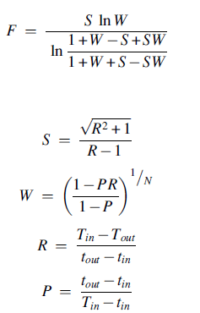
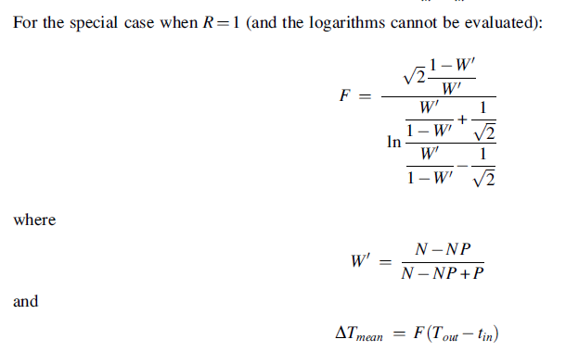
N (Shell Passes) | 1
M (Tube Passes) | 2

P | 0.214
R | 3.667
 |  |  |  | When R = 1, then
W | 0.273 |  |  | W' | 0.786
S | 1.425
F | 0.81 |  |  | F | 0.987

ΔTm | 25.0 | oC

Step 5 Determine heat transfer area
Area, A | 289.2 | m2 | (provisional area)

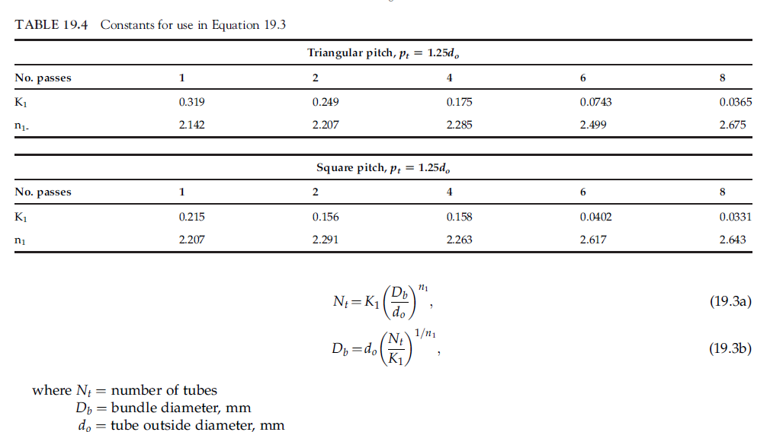
Step 6 Fluid allocation, tube size, tube pitch, tube material etc.
At this point, we will make a decision regarding hot & Cold fluid allocation.
Since cold fluid is corrosive, assign it on tube side

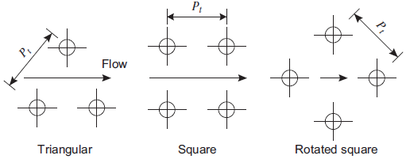
Consider following specs for tubes:
Tube OD | 20 | mm | ----- 3/4"
Tube ID | 16 | mm
Tube Length | 4.88 | m | ----- 16' |  | 4.83
Tube Matertial | cupro-nickel |  |  |  | 4.88
Tubesheet thickness | 25 | mm
Tube effective L | 4.83 | m
Tube pitch | 1.25 | Triangular

Step 7 Calculate number of tubes

Area of one tube | 0.303 | m2

# of tubes | 954.0 |  | <-- Formula is placed to get even number of tubes
Area considered | 289.5 | m2
Step 8 Calculate shell diameter |  |  |  |  |  |  | Constants Table for bundle diameter calculations - Triangular pitch pt = 1.25do
 |  |  |  |  |  |  | No. of tube passes | 1 | 2 | 4 | 6 | 8
 |  |  |  |  |  |  | K1 | 0.319 | 0.249 | 0.175 | 0.0743 | 0.0365
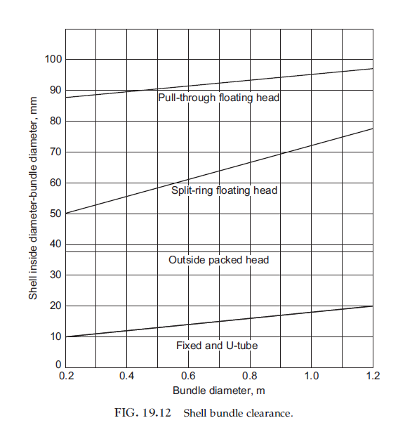
Tube passes | 2 |  |  |  |  |  | n1 | 2.142 | 2.207 | 2.285 | 2.499 | 2.675
K1 | 0.249
n1 | 2.207 |  |  |  |  |  | Constants Table for bundle diameter calculations - Square pitch pt = 1.25do
 |  |  |  |  |  |  | No. of tube passes | 1 | 2 | 4 | 6 | 8
Bundle dia., Db | 840.7 | mm |  |  |  |  | K1 | 0.215 | 0.156 | 0.158 | 0.0402 | 0.0331
 |  |  |  |  |  |  | n1 | 2.207 | 2.291 | 2.263 | 2.617 | 2.643
Using Split-ring floating head type heat exchanger.
Bundle clearance | 68.0 | mm

Shell diameter, Ds | 908.7 | mm

Step 9 Tube-side heat transfer coefficient

Tube c/s area | 0.00020 | m2
Tubes per pass | 477
Total flow area | 0.0959 | m2

Sp. Heat | 4.2 | kJ/kgoC
Viscosity | 0.8 | mNs/m2
Thermal conductivity | 0.59 | W/moC
Density | 995 | kg/m3

Tube velocity | 0.72 | m/s

NRe | 14362
NPr | 5.7

L/di | 302

jh | 0.00398

hi | 3738.0 | W/m2oC

Step 10 Baffle spacing & Shell-side heat transfer coefficient

Baffle Spacing | 290.8 | mm |  |  | Typical rule of thumb: | Min. baffle space is Ds/5 or 50 mm whichever is greater.
Tube pitch | 25 | mm |  |  |  | Max. baffle spacing is Shell ID.

Cross-flow area | 0.053 | m2

Equivalent diameter | 0.0142 | m |  |  | For Triangular pitch |  |  | For Square pitch |  |  |  |  |  | List
 |  |  |  |  |  |  |  |  |  |  |  |  |  | Triangular
Velocity | 0.70 | m/s |  |  |  |  |  |  |  |  |  |  |  | Square

NRe | 21952

NPr | 5.1

Baffle-cut | 25 | %

jh | 0.00401
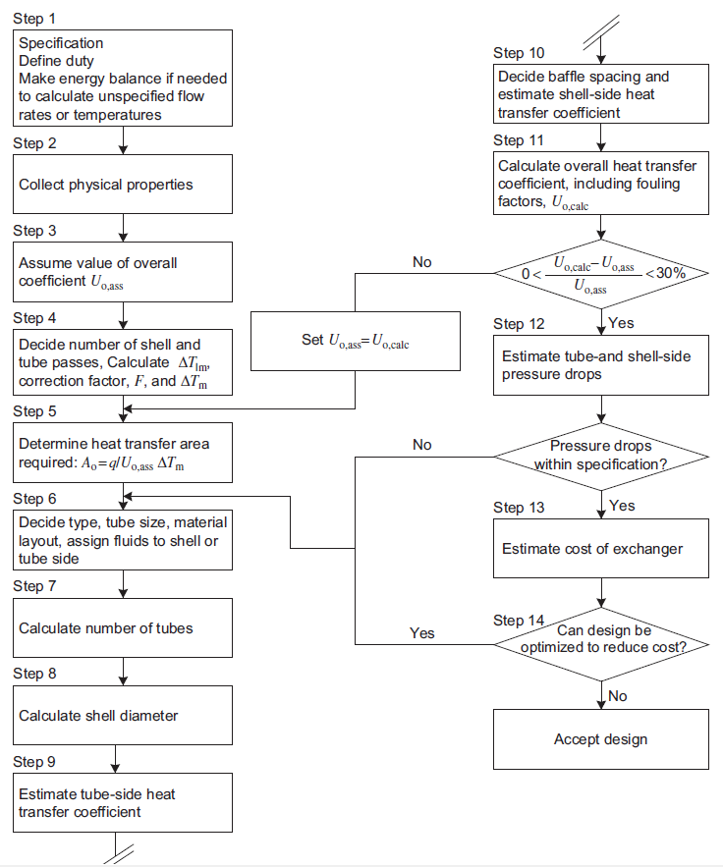
hs | 2014.3 | W/m2oC

Step 11 Overall heat transfer coefficient with fouling factors

Tube material thermal conductivity
 | 50 | W/m oC

1/Uo | 0.00145
Uo | 689.4 | W/m2 oC
Q = | 4991 | kW

Decision Point

%deviation from assumed Uo |  | 14.9 | %

Step 12 Tube-side and Shell-side pressure drop

Tube side:

friction factor_tube, jf | 0.0044
Delta P_tube | 6779 | Pa
 | 6.8 | kPa

Shell side:
friction factor_shell, jf | 0.0446
Delta P_shell | 69879 | Pa
 | 70 | kPa

Finalized Design |  |  |  |  |  |  | Base Case

Shell & Tube Heat Exchanger |  |  |  |  |  |  | Shell & Tube Heat Exchanger |  |  |  |  |  | Tube layout
Surface area: | 289.5 | m2 |  |  |  |  | Surface area: | 289.5 | m2 |  |  |  | Baffle-cut
Overall h.t.c. | 689.4 | W/m2 oC | Margin: | 14.9 | % |  | Overall h.t.c. | 689.4 | W/m2 oC | Margin: | 14.9 | % | Tube-passes
Tube passes: | 2 |  | Shell passes: | 1 |  |  | Tube passes: | 2 |  | Shell passes: | 1
Tube OD: | 20 | mm | Shell ID: | 908.7 | mm |  | Tube OD: | 20 | mm | Shell ID: | 908.7 | mm
Tube ID: | 16 | mm | Baffle spacing: | 290.8 | mm |  | Tube ID: | 16 | mm | Baffle spacing: | 290.8 | mm
Tube length: | 4.88 | m | Baffle cut: | 25 | % |  | Tube length: | 4.88 | m | Baffle cut: | 25 | %
Tube layout: | Triangular |  |  |  |  |  | Tube layout: | Triangular
Tube bundle dia.: | 0.841 | m |  |  |  |  | Tube bundle dia.: | 0.841 | m
# of Tubes: | 954.0 |  |  |  |  |  | # of Tubes: | 954.0
Tube_h.t.c | 3738.0 | W/m2oC | Shell_h.t.c | 2014.3 | W/m2oC |  | Tube_h.t.c | 3738.0 | W/m2oC | Shell_h.t.c | 2014.3 | W/m2oC
Tube_pres_drop | 6.8 | kPa | Shell_pres_drop | 70 | kPa |  | Tube_pres_drop | 6.8 | kPa | Shell_pres_drop | 70 | kPa

